Total Numbers
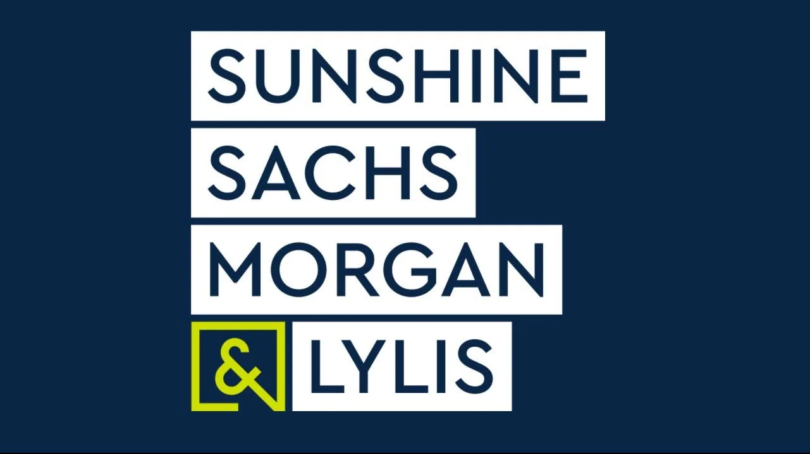

Total Overall Impressions for Season 12 Campaign: | UVM: 12,836,352,548
Total Credentialed Press: | 93 Press Attendees
Total Outlets Covered: | 297 Outlets Covered the Festival

